Dept Checklist
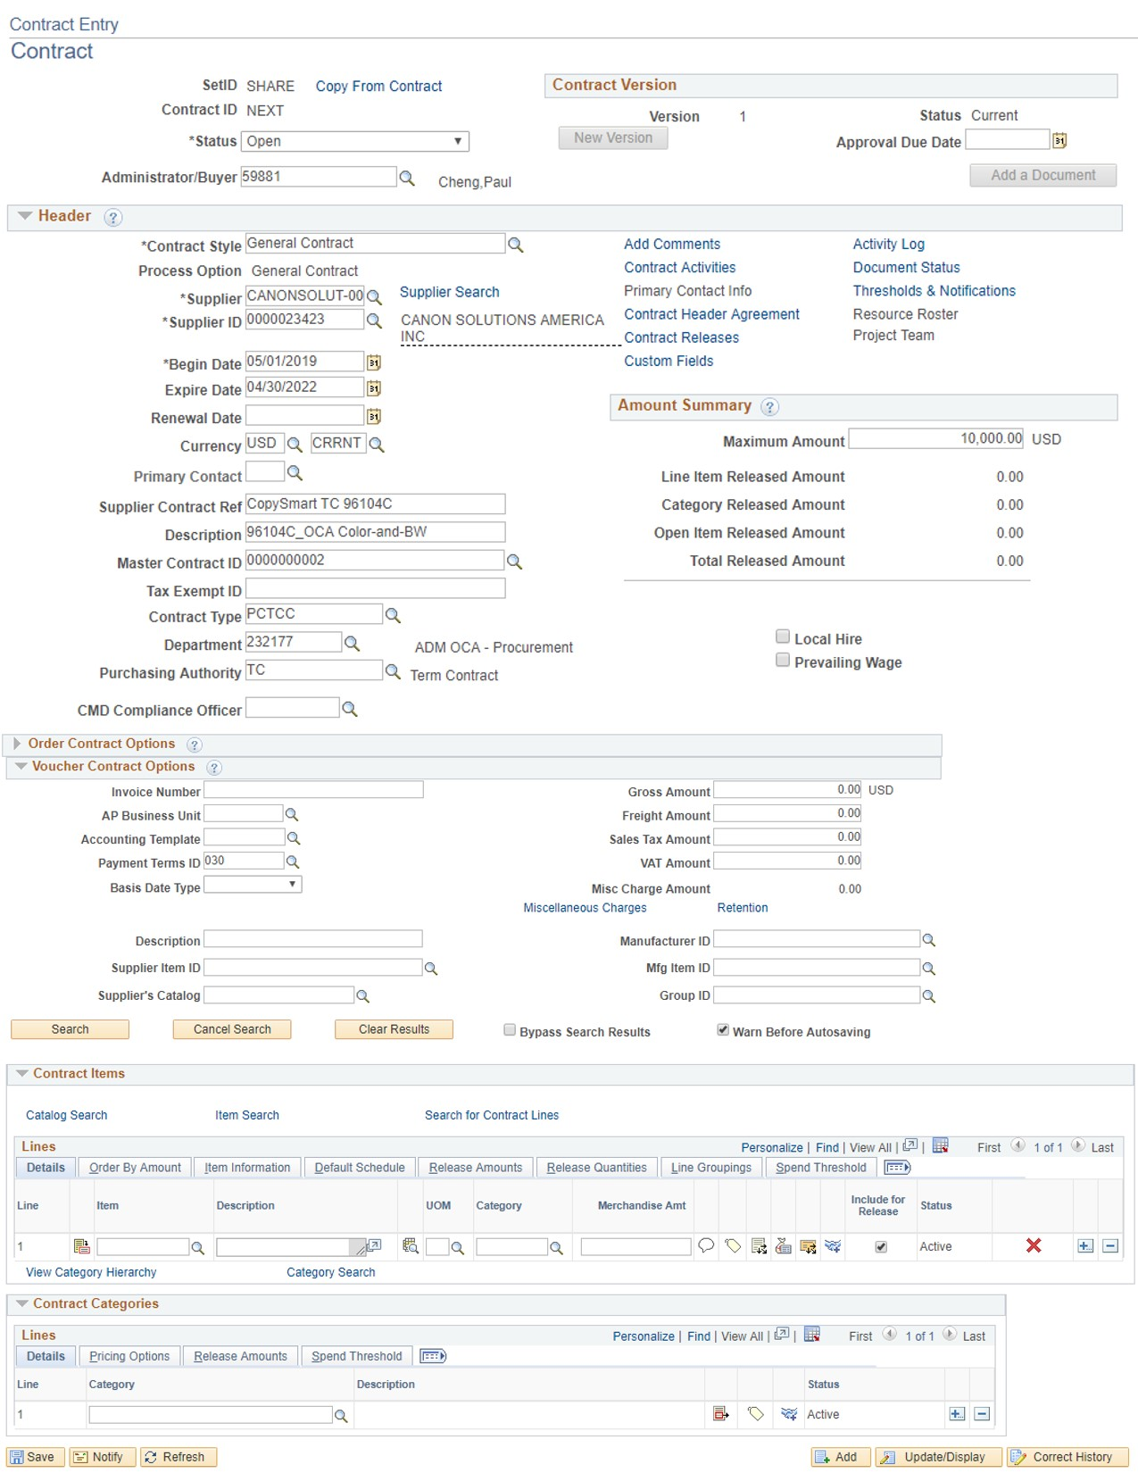
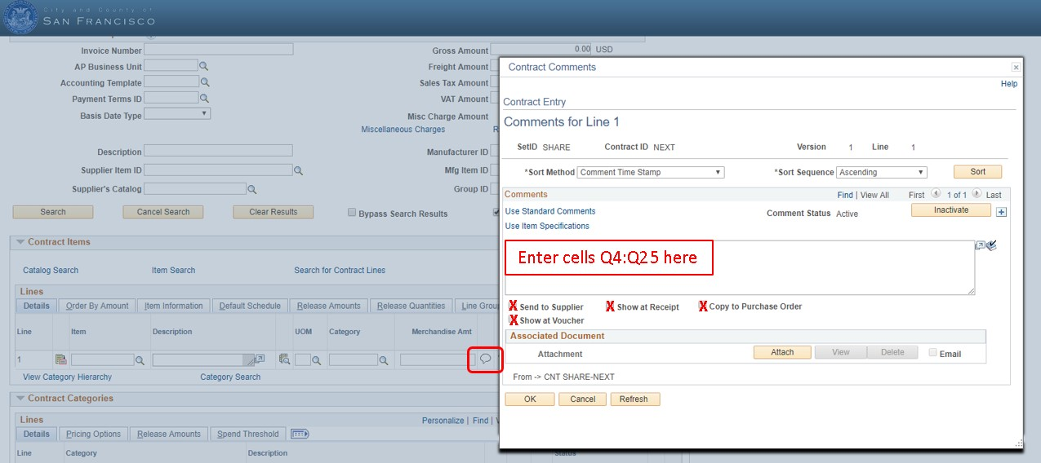
8
1
7
2
3
4
5
6
11
10
9
CopySmart Lease Checklist & Instructions
PeopleSoft SUPPLIER CONTRACT Instructions: - OCA has created "model" contracts for each CopySmart supplier (Canon, Ricoh, Xerox). For consistency, use the "Copy From Contract" function to use these "model" contracts to pre-populate their own contracts. SUPPLIER MODEL CONTRACT ID TO COPY FROM CANON 1000013649 RICOH 1000013651 XEROX 1000013650 0. START END DATES: Enter Begin and Expire Dates for the lease agreement. You can not combine machines with different start and end dates into a single PeopleSoft contract. 1- DESCRIPTION: All CopySmart supplier contracts will identify the Term Contract # and supplier (e.g. 96104C_DESCRIPTION). 2- MASTER CONTRACT ID: Use the magnifying glass icon to select the applicable ID for the Master Contract field based on supplier: CANON: 0000000002 RICOH: 0000000003 XEROX: 0000000004 3- CONTRACT TYPE: Use "PCTCC" contract type. 4- DEPARTMENT: Enter YOUR Department. 5- PURCHASING AUTHORITY: Use "TC" purchasing authority. 6- LINE DESCRIPTION: - Each line item corresponds to only one CopySmart quote/lease. - Enter "Machine 1", "Machine 2", etc.....The details for each machine will be pasted in as per item 7 below. 7. LINE COMMENTS: -For each Line (i.e. individual copier lease), copy cells Q4:Q25 from the corresponding Quote. -Check each checkbox shown so that the description is copied to all POs released against the contract line. 8- LINE CATEGORY: For each Line and Contract Category, use 60072 (for Multi-Function Office Machines (Combination of Fax-Copier-Sc). 9. LINE MERCHANDISE AMOUNT: Enter the total estimate lease cost for each machine. 10. CONTRACT MAXIMUM AMOUNT: Enter a sum of all Line Amounts. 11. ADD A DOCUMENT: Upload quotes in EXCEL format. 12. OCA APPROVAL: Add Richelle Valencia as Ad Hoc Approver and email her at Richelle.Valencia@sfgov.org requesting her review of your Supplier Contract.

0

